How to
How to use this sheet:

Main frozen boxes will contain 20 different strains, 4 tubes of each, and will be organized as follows in either 9x9 or 10x10 boxes:
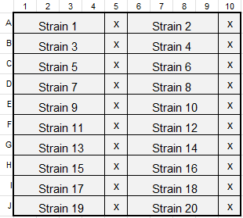
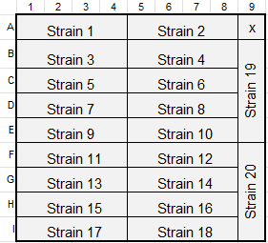

 |  | OR

Some boxes will have the top left corner marked with red to help orient you

If you take the 4th tube of a strain from the main freeze box, refreeze 5 tubes*. Test thaw one tube to comfirm that worms are viable and there is no contamination. Replace the 4 tubes in the main box, update the "notes" section with when the strain was refrozen.
 | *Before refreezing, check the miscellaneous boxes for extra tubes. Replace with those if available. Do not replace tubes after they have been removed from the miscellaneous boxes.

Back-up boxes contain 1 tube of each strain, kept in a different freezer than the main frozen boxes. These should only be used if absolutely necessary.

Boxes 1-9 are organized using tube numbers. For boxes 10+, the tube position is listed next to the box number

Only assign a "GLS" name if we have created the strain or backcrossed a strain with our N2s.

Rows highlighted in grey indicate that the strain has been backcrossed and is located elsewhere, use the backcrossed strain instead when available.

Rows highlighted in green indicate an open spot- add new strains in these positions before adding to the newest freeze box.

Rows highlighted in orange indicate a N2/wild type strain that is not the preferred control for our lab. Use N2 from tubes 82, 128, 149, or any subsequent refreezes from these tubes.

